5_Plasmid_sequencing
exp_ID_5 | Plasmid_sequencing

# | Experiment_ID | Plasmid | Colony | ID | DNA conc (ng/µL) | Primer | primer (μL) | DNA (μL) | Seq Buffer (μL) | Big Dye Terminator (μL) | H2O (μL) | Volume | Result | Read_length | QV20+ | Notes
1 | ID_4 | pAF164 | 1 | ID_4_pAF164_1 | 500 | pSB_EF1a_seq.FOR | 1.00 | 1.20 | 1.75 | 0.25 | 5.80 | 10.00
2 | ID_4 | pAF176 | 1 | ID_4_pAF176_1 | 500 | pSB_EF1a_seq.FOR | 1.00 | 1.20 | 1.75 | 0.25 | 5.80 | 10.00
3 | ID_4 | pAF176 | 2 | ID_4_pAF176_2 | 500 | pSB_EF1a_seq.FOR | 1.00 | 1.20 | 1.75 | 0.25 | 5.80 | 10.00
4 | ID_4 | pAF176 | 3 | ID_4_pAF176_3 | 500 | pSB_EF1a_seq.FOR | 1.00 | 1.20 | 1.75 | 0.25 | 5.80 | 10.00
5 | ID_4 | pAF176 | 4 | ID_4_pAF176_4 | 500 | pSB_EF1a_seq.FOR | 1.00 | 1.20 | 1.75 | 0.25 | 5.80 | 10.00
6 | ID_4 | pAF176 | 5 | ID_4_pAF176_5 | 500 | pSB_EF1a_seq.FOR | 1.00 | 1.20 | 1.75 | 0.25 | 5.80 | 10.00
7 | ID_4 | pAF176 | 1 | ID_4_pAF176_1 | 500 | pSB_bGH_seq.REV | 1.00 | 1.20 | 1.75 | 0.25 | 5.80 | 10.00
8 | ID_4 | pAF176 | 1 | ID_4_pAF176_1 | 500 | pSB_bGH_seq.REV | 1.00 | 1.20 | 1.75 | 0.25 | 5.80 | 10.00
9 | ID_4 | pAF176 | 2 | ID_4_pAF176_2 | 500 | pSB_bGH_seq.REV | 1.00 | 1.20 | 1.75 | 0.25 | 5.80 | 10.00
10 | ID_4 | pAF176 | 3 | ID_4_pAF176_3 | 500 | pSB_bGH_seq.REV | 1.00 | 1.20 | 1.75 | 0.25 | 5.80 | 10.00
11 | ID_4 | pAF176 | 4 | ID_4_pAF176_4 | 500 | pSB_bGH_seq.REV | 1.00 | 1.20 | 1.75 | 0.25 | 5.80 | 10.00
12 | ID_4 | pAF176 | 5 | ID_4_pAF176_5 | 500 | pSB_bGH_seq.REV | 1.00 | 1.20 | 1.75 | 0.25 | 5.80 | 10.00

Setting up Sequencing Reactions
Prepare a BDT and sequencing buffer mix in a microfuge tube and then aliquot to PCR tubes (i.e. 12 tubes + 2 "extra" tubes because 0.25 uL is too small to accurately pipet)
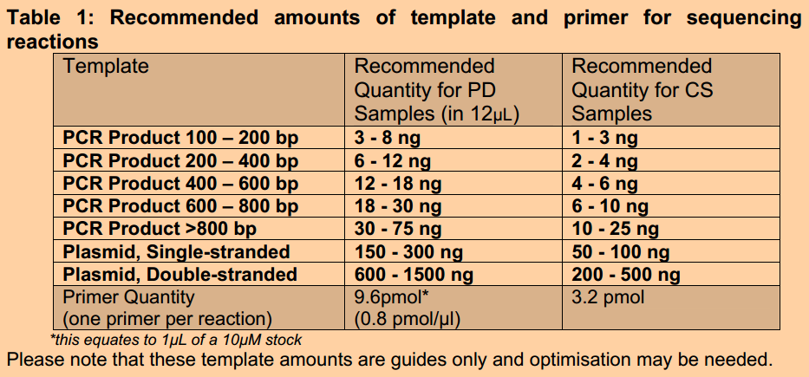
In a 10μL reaction set up using a cold block
 |  | Primer 1 mix |  | Primer 2 mix
 |  | 1X vol (μL) | 7X vol (μL) | 1X vol (μL) | 7X vol (μL)
 |  | 1 | 7 | 1 | 7
Sequencing Buffer |  | 1.75 | 12.25 | 1.75 | 12.25
Big Dye Terminator |  | 0.25 | 1.75 | 0.25 | 1.75
DNA μL (100-500ng for plasmid) |  | X | X | X | X
Primer 1 |  | 1 | 7 | 0 | 0
Primer 2 |  | 0 | 0 | 1 | 7
Add H2O to 10 μL for each tube |  | 10 - 1.75 - 0.25 - X - 1

Aliquot ddH2O into PCR tubes
Aliquot DNA into PCR tubes
Aliquot primer into PCR tubes
Aliquot BDT + sequencing buffer mix into PCR tubes (2 uL/tube)

Run on thermal cycler (BDT Standard*), for fragments less than 500bp you can use the fast cycling protocol (saves ~1hr)
Denature |  |  | 96°C for 10 secs
Anneal |  |  | 55°C for 5 secs |  | * 50 C is recommended but the annealing temperature are generally higher, so we usually 55 C
Extend |  |  | 60°C for 4 mins
Cycles |  |  | 35 |  | * 25 cycles is ok, but usually results in a residual 'dye front' in the results

AGENCOURT CleanSeq Purification
Vortex the CleanSeq tube to resuspend any magnetic particles that may have settled. Add 10ul of CleanSeq to each sample.
Add 85% EtOH to the sample according to the table below. Mix reaction thoroughly by pipette mixing or by replacing the lids and inverting several times. The mixture should be homogenous after mixing.

 |  |  | PCR vol (μL) | Volume of 85% EtOH (μL)
 |  |  | 5 | 31
 |  |  | 10 | 42
 |  |  | 15 | 52
 |  |  | 20 | 62

Place the plate onto the magnetic plate for 3 mins. Wait for the solution to clear before proceeding to the next step.
Aspirate the cleared solution and discard. This must be performed while on the magnetic plate. Do not disturb the ring of beads.
Add 100 μL 85% EtOH, incubating for 30 sec. Aspirate and discard.
Repeat step 5 once.
Dry plate at room temp for 30 minutes
 | * Critical step: Ensure the samles are allowed to fully dry; residual ethanol will affect results
Add 30 μL water and mix using a pipette or again by adding the caps and inverting several times. Incubate the plate for 2 mins at room temp.
Remove 15 μL of the clear liquid avoiding any beads and add it to the sequencing plate. Be carefμL not to disturb the ring of beads. Indicate with a permanent marker which row you have added your products to, so the next person doesn’t add their products to the same wells.
Denature the clean sequencing products by placing it in the thermal cycler (with the grey septa lids in place) and heating at 95°C for 5 mins. Make sure the heated lid function is switched off.
The reaction plate is now ready to be loaded on to the sequencer.

